Sheet1
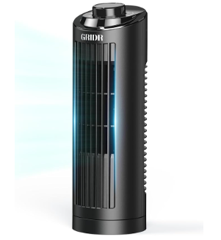
SKU | Quantity | Product Name | Product Link
USJDB017 | 1845 | Desktop Tower Fan - Mechanical T | https://www.amazon.com/dp/B0FJRX1LKN
USJDB015 | 182 | Desktop Tower Fan - Mechanical | https://www.amazon.com/dp/B0FS63F94Q/
USJDA014 | 134 | Desktop Tower Fan - Electronic | https://www.amazon.com/dp/B0DZ2MY9PV
USJDA016 | 1390 | Desktop Tower Fan - Electronic T | https://www.amazon.com/dp/B0GC1VTPMS
USJDA002 | 252 | Standing Circulator Fan | https://www.amazon.com/dp/B0DYNXJ1QH
USJDA024 | 164 | Standing DC Circulator Fan | https://www.amazon.com/dp/B0FCS36P58
HTS-F610E-02 | 50 | HT Standing Circulator Fan | https://www.amazon.com/dp/B0FQ48R8PL
FTS001R | 38 | Tower Evaporative Air Cooler | https://www.amazon.com/dp/B0D3D51VFP
 | 4055

